2021-2022
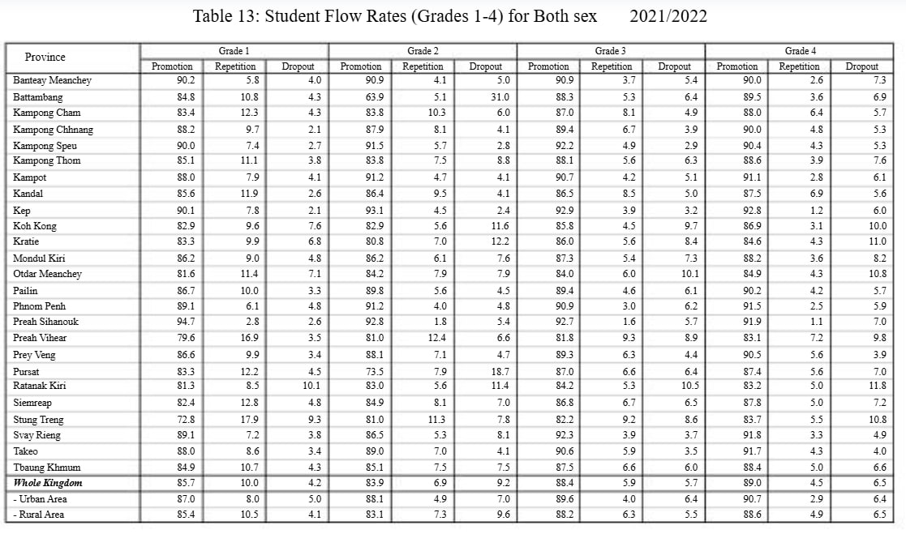
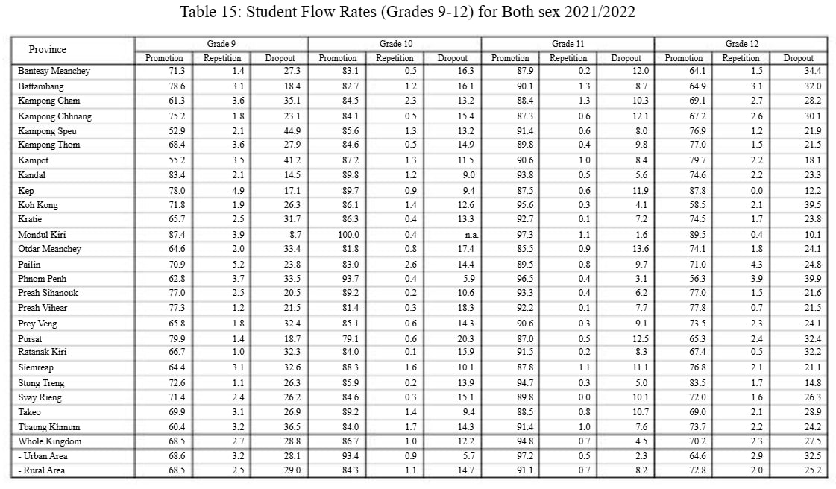
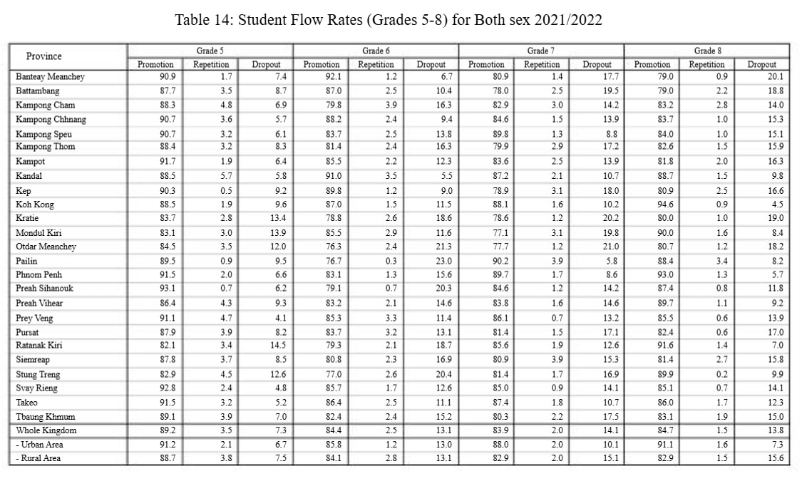
Student Flow Rates (Grades 1-12) for Both Sex 2022-2023
Province | Grade 1 |  |  | Grade 2 |  |  | Grade 3 |  |  | Grade 4 |  |  | Grade 5 |  |  | Grade 6 |  |  | Grade 7 |  |  | Grade 8 |  |  | Grade 9 |  |  | Grade 10 |  |  | Grade 11 |  |  | Grade 12
 | Promotion | Repetition | Dropout | Promotion | Repetition | Dropout | Promotion | Repetition | Dropout | Promotion | Repetition | Dropout | Promotion | Repetition | Dropout | Promotion | Repetition | Dropout | Promotion | Repetition | Dropout | Promotion | Repetition | Dropout | Promotion | Repetition | Dropout | Promotion | Repetition | Dropout | Promotion | Repetition | Dropout | Promotion | Repetition | Dropout
Banteay Meanchey | 90.2 | 5.8 | 4.0 | 90.9 | 4.1 | 5.0 | 90.9 | 3.7 | 5.4 | 90 | 2.6 | 7.4 | 90.9 | 1.7 | 7.4 | 92.1 | 1.2 | 6.7 | 80.9 | 1.4 | 17.7 | 79 | 0.9 | 20.1 | 71.3 | 1.4 | 27.3
Battambang | 84.8 | 10.8 | 4.4 | 63.9 | 5.1 | 31.0 | 88.3 | 5.3 | 6.4 | 89.5 | 3.6 | 6.9 | 87.7 | 3.5 | 8.8 | 87 | 2.5 | 10.5 | 78 | 2.5 | 19.5 | 79 | 2.2 | 18.8 | 78.6 | 3.1 | 18.3
Kampong Cham | 83.4 | 12.3 | 4.3 | 83.8 | 10.3 | 5.9 | 87 | 8.1 | 4.9 | 88 | 6.4 | 5.6 | 88.3 | 4.8 | 6.9 | 79.8 | 3.9 | 16.3 | 82.9 | 3 | 14.1 | 83.2 | 2.8 | 14 | 61.3 | 3.6 | 35.1
Kampong Chhnang | 88.2 | 9.7 | 2.1 | 87.9 | 8.1 | 4.0 | 89.4 | 6.7 | 3.9 | 90 | 4.8 | 5.2 | 90.7 | 3.6 | 5.7 | 88.2 | 2.4 | 9.4 | 84.6 | 1.5 | 13.9 | 83.7 | 1 | 15.3 | 75.2 | 1.8 | 23
Kampong Speu | 90 | 7.4 | 2.6 | 91.5 | 5.7 | 2.8 | 92.2 | 4.9 | 2.9 | 90.4 | 4.3 | 5.3 | 90.7 | 3.2 | 6.1 | 83.7 | 2.5 | 13.8 | 89.8 | 1.3 | 8.9 | 84 | 1 | 15 | 52.9 | 2.1 | 45
Kampong Thom | 85.1 | 11.1 | 3.8 | 83.8 | 7.5 | 8.7 | 88.1 | 5.6 | 6.3 | 88.6 | 3.9 | 7.5 | 88.4 | 3.2 | 8.4 | 81.4 | 2.4 | 16.2 | 79.9 | 2.9 | 17.2 | 82.6 | 1.5 | 15.9 | 68.4 | 3.6 | 28
Kampot | 88 | 7.9 | 4.1 | 91.2 | 4.7 | 4.1 | 90.7 | 4.2 | 5.1 | 91.1 | 2.8 | 6.1 | 91.7 | 1.9 | 6.4 | 85.5 | 2.2 | 12.3 | 83.6 | 2.5 | 13.9 | 81.8 | 2 | 16.2 | 55.2 | 3.5 | 41.3
Kandal | 85.6 | 11.9 | 2.5 | 86.4 | 9.5 | 4.1 | 86.5 | 8.5 | 5 | 87.5 | 6.9 | 5.6 | 88.5 | 5.7 | 5.8 | 91 | 3.5 | 5.5 | 87.2 | 2.1 | 10.7 | 88.7 | 1.5 | 9.8 | 83.4 | 2.1 | 14.5
Kep | 90.1 | 7.8 | 2.1 | 93.1 | 4.5 | 2.4 | 92.9 | 3.9 | 3.2 | 92.8 | 1.2 | 6 | 90.3 | 0.5 | 9.2 | 89.8 | 1.2 | 9 | 78.9 | 3.1 | 18 | 80.9 | 2.5 | 16.6 | 78 | 4.9 | 17.1
Koh Kong | 82.9 | 9.6 | 7.5 | 82.9 | 5.6 | 11.5 | 85.8 | 4.5 | 9.7 | 86.9 | 3.1 | 10 | 88.5 | 1.9 | 9.6 | 87 | 1.5 | 11.5 | 88.1 | 1.6 | 10.3 | 94.6 | 0.9 | 4.5 | 71.8 | 1.9 | 26.3
Kratie | 83.3 | 9.9 | 6.8 | 80.8 | 7 | 12.2 | 86 | 5.6 | 8.4 | 84.6 | 4.3 | 11.1 | 83.7 | 2.8 | 13.5 | 78.8 | 2.6 | 18.6 | 78.6 | 1.2 | 20.2 | 80 | 1 | 19 | 65.7 | 2.5 | 31.8
Mondul Kiri | 86.2 | 9 | 4.8 | 86.2 | 6.1 | 7.7 | 87.3 | 5.4 | 7.3 | 88.2 | 3.6 | 8.2 | 83.1 | 3 | 13.9 | 85.5 | 2.9 | 11.6 | 77.1 | 3.1 | 19.8 | 90 | 1.6 | 8.4 | 87.4 | 3.9 | 8.7
Otdar Meanchey | 81.6 | 11.4 | 7.0 | 84.2 | 7.9 | 7.9 | 84 | 6 | 10 | 84.9 | 4.3 | 10.8 | 84.5 | 3.5 | 12 | 76.3 | 2.4 | 21.3 | 77.7 | 1.2 | 21.1 | 80.7 | 1.2 | 18.1 | 64.6 | 2 | 33.4
Pailin | 86.7 | 10 | 3.3 | 89.8 | 5.6 | 4.6 | 89.4 | 4.6 | 6 | 90.2 | 4.2 | 5.6 | 89.5 | 0.9 | 9.6 | 76.7 | 0.3 | 23 | 90.2 | 3.9 | 5.9 | 88.4 | 3.4 | 8.2 | 70.9 | 5.2 | 23.9
Phnom Penh | 89.1 | 6.1 | 4.8 | 91.2 | 4 | 4.8 | 90.9 | 3 | 6.1 | 91.5 | 2.5 | 6 | 91.5 | 2 | 6.5 | 83.1 | 1.3 | 15.6 | 89.7 | 1.7 | 8.6 | 93 | 1.3 | 5.7 | 62.8 | 3.7 | 33.5
Preah Sihanouk | 94.7 | 2.8 | 2.5 | 92.8 | 1.8 | 5.4 | 92.7 | 1.6 | 5.7 | 91.9 | 1.1 | 7 | 93.1 | 0.7 | 6.2 | 79.1 | 0.7 | 20.2 | 84.6 | 1.2 | 14.2 | 87.4 | 0.8 | 11.8 | 77 | 2.5 | 20.5
Preah Vihear | 79.6 | 16.9 | 3.5 | 81 | 12.4 | 6.6 | 81.8 | 9.3 | 8.9 | 83.1 | 7.2 | 9.7 | 86.4 | 4.3 | 9.3 | 83.2 | 2.1 | 14.7 | 83.8 | 1.6 | 14.6 | 89.7 | 1.1 | 9.2 | 77.3 | 1.2 | 21.5
Prey Veng | 86.6 | 9.9 | 3.5 | 88.1 | 7.1 | 4.8 | 89.3 | 6.3 | 4.4 | 90.5 | 5.6 | 3.9 | 91.1 | 4.7 | 4.2 | 85.3 | 3.3 | 11.4 | 86.1 | 0.7 | 13.2 | 85.5 | 0.6 | 13.9 | 65.8 | 1.8 | 32.4
Pursat | 83.3 | 12.2 | 4.5 | 73.5 | 7.9 | 18.6 | 87 | 6.6 | 6.4 | 87.4 | 5.6 | 7 | 87.9 | 3.9 | 8.2 | 83.7 | 3.2 | 13.1 | 81.4 | 1.5 | 17.1 | 82.4 | 0.6 | 17 | 79.9 | 1.4 | 18.7
Ratanak Kiri | 81.3 | 8.5 | 10.2 | 83 | 5.6 | 11.4 | 84.2 | 5.3 | 10.5 | 83.2 | 5 | 11.8 | 82.1 | 3.4 | 14.5 | 79.3 | 2.1 | 18.6 | 85.6 | 1.9 | 12.5 | 91.6 | 1.4 | 7 | 66.7 | 1 | 32.3
Siemreap | 82.4 | 12.8 | 4.8 | 84.9 | 8.1 | 7.0 | 86.8 | 6.7 | 6.5 | 87.8 | 5 | 7.2 | 87.8 | 3.7 | 8.5 | 80.8 | 2.3 | 16.9 | 80.9 | 3.9 | 15.2 | 81.4 | 2.7 | 15.9 | 64.4 | 3.1 | 32.5
Stung Treng | 72.8 | 17.9 | 9.3 | 81 | 11.3 | 7.7 | 82.2 | 9.2 | 8.6 | 83.7 | 5.5 | 10.8 | 82.9 | 4.5 | 12.6 | 77 | 2.6 | 20.4 | 81.4 | 1.7 | 16.9 | 89.9 | 0.2 | 9.9 | 72.6 | 1.1 | 26.3
Svay Rieng | 89.1 | 7.2 | 3.7 | 86.5 | 5.3 | 8.2 | 92.3 | 3.9 | 3.8 | 91.8 | 3.3 | 4.9 | 92.8 | 2.4 | 4.8 | 85.7 | 1.7 | 12.6 | 85 | 0.9 | 14.1 | 85.1 | 0.7 | 14.2 | 71.4 | 2.4 | 26.2
Takeo | 88 | 8.6 | 3.4 | 89 | 7 | 4.0 | 90.6 | 5.9 | 3.5 | 91.7 | 4.3 | 4 | 91.5 | 3.2 | 5.3 | 86.4 | 2.5 | 11.1 | 87.4 | 1.8 | 10.8 | 86 | 1.7 | 12.3 | 69.9 | 3.1 | 27
Tbaung Khmum | 84.9 | 10.7 | 4.4 | 85.1 | 7.5 | 7.4 | 87.5 | 6.6 | 5.9 | 88.4 | 5 | 6.6 | 89.1 | 3.9 | 7 | 82.4 | 2.4 | 15.2 | 80.3 | 2.2 | 17.5 | 83.1 | 1.9 | 15 | 60.4 | 3.2 | 36.4
Whole Kingdom | 85.7 | 10 | 4.3 | 83.9 | 6.9 | 9.2 | 88.4 | 5.9 | 5.7 | 89 | 4.5 | 6.5 | 89.2 | 3.5 | 7.3 | 84.4 | 2.5 | 13.1 | 83.9 | 2 | 14.1 | 84.7 | 1.5 | 13.8 | 68.5 | 2.7 | 28.8
- Urban Area | 87 | 8 | 5.0 | 88.1 | 4.9 | 7.0 | 89.6 | 4 | 6.4 | 90.7 | 2.9 | 6.4 | 91.2 | 2.1 | 6.7 | 85.8 | 1.2 | 13 | 88 | 2 | 10 | 91.1 | 1.6 | 7.3 | 68.6 | 3.2 | 28.2
- Rural Area | 85.5 | 10.5 | 4.0 | 83.1 | 7.3 | 9.6 | 88.2 | 6.3 | 5.5 | 88.6 | 4.9 | 6.5 | 88.7 | 3.8 | 7.5 | 84.1 | 2.8 | 13.1 | 82.9 | 2 | 15.1 | 82.9 | 1.5 | 15.6 | 68.5 | 2.5 | 29

